BR
Bug ID | Bug Name | Description | Steps to reproduce | Test data | Expected result | Actual result | Repro rate | Attachments | Priority | Severity
BR-01 | We can submit Student registartion form even if our name field is invalid | When we go to Practice Form part of the menu of the website and try to submit the Student registration form we can complete the proccess even if we didn’t enter the valid name in the Name field. If we click on the space button on keyboard and don't enter any character the form will still working and that should not be the case. | 1. Open the browser
 |  |  | 2. On the search bar enter the name of the website | https://demoqa.com/
 |  |  | 3. On the main menu of the webiste click on the Formsbutton
 |  |  | 4. On the left menu of the webiste click on the Practice Formbutton
 |  |  | 5. In the Name field we enter one empty character by clicking the space button | " "
 |  |  | 6. In the Last Name field we enter last name data | Smith
 |  |  | 3. In the email field we enter valid email | test@test.com
 |  |  | 4. We select the Gender radio button option | male
 |  |  | 5. We enter 10 digit number in Mobile field | 1234567899
 |  |  | 6. Click Submit button |  | First Name field is framed in red color and red exclamation mark is shown and by clicking Submit button we can not complete the registration form | When we enter only blanc space into the Name field, Name field is framed in green color and green check mark is shown and by clicking Submit button we can complete the registration form | 100% | 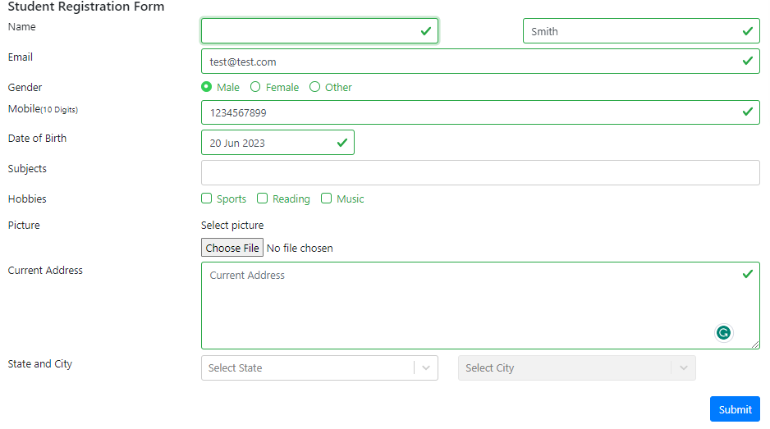 | Low | Low

